PROD Validation
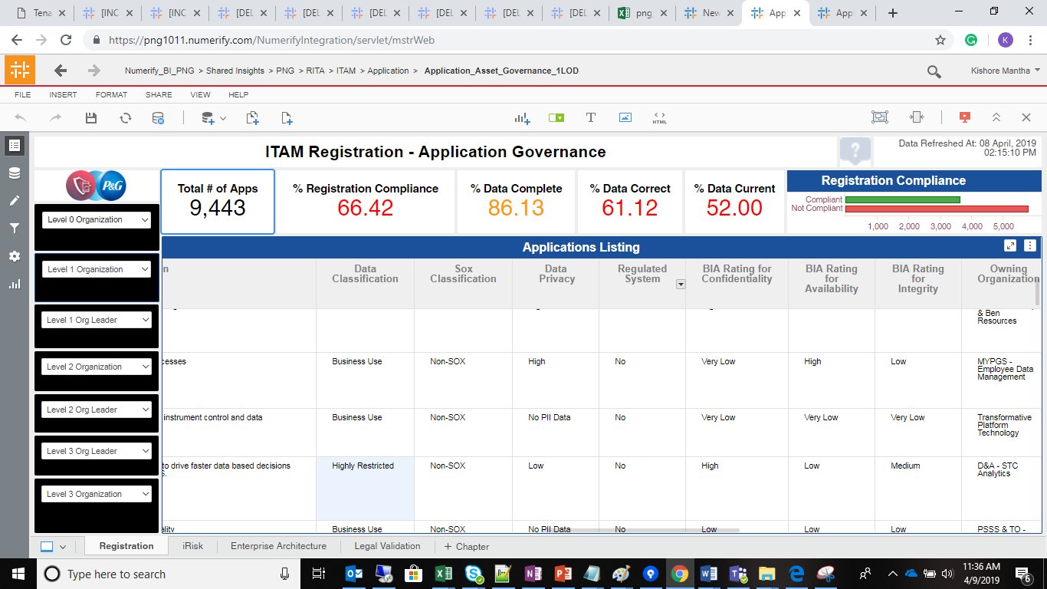
SELECT Count(distinct a.row_id) as cnt FROM ldb.f_rita_application_c_fact a JOIN ldb.d_rita_application_c b ON a.rita_application_c_key=b.row_key JOIN ldb.d_rita_application_ext_c c ON b.rita_application_ext_c_key=c.row_key JOIN ldb.d_lov_mega_data_currentness_c d ON c.data_currentness_c_key=d.row_key JOIN ldb.d_lov_mega_data_correct_c e ON c.data_correct_c_key=e.row_key JOIN ldb.d_processing_activities_managing_organization_c a12 ON a.managing_organization_c_key=a12.row_key JOIN ldb.d_lov_processing_activities_ot_life_cycle_status_c a13 ON b.application_lifecycle_status_c_key=a13.row_key JOIN ldb.d_lov_processing_activities_ot_repository_type_c a14 ON b.application_nature_c_key=a14.row_key WHERE ( a13.source_dimension_name IN ('Design/Build','Discovery/Requ.','Exception','Leverage/Optimize','Launch/Deploy', 'Qualify/Deliver','Retired','Sunset','Undecided','UNSPECIFIED') AND a14.source_dimension_name IN ('Generic','XOApplication','XOPlatform','Platform') )

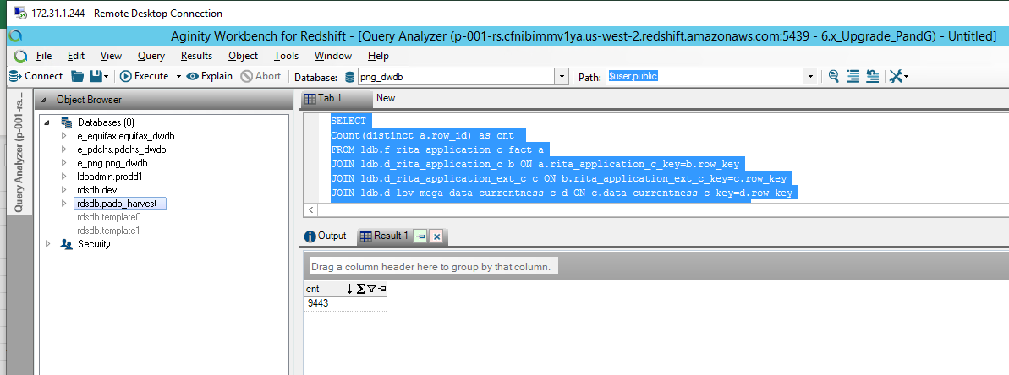

 | Cube drop validation

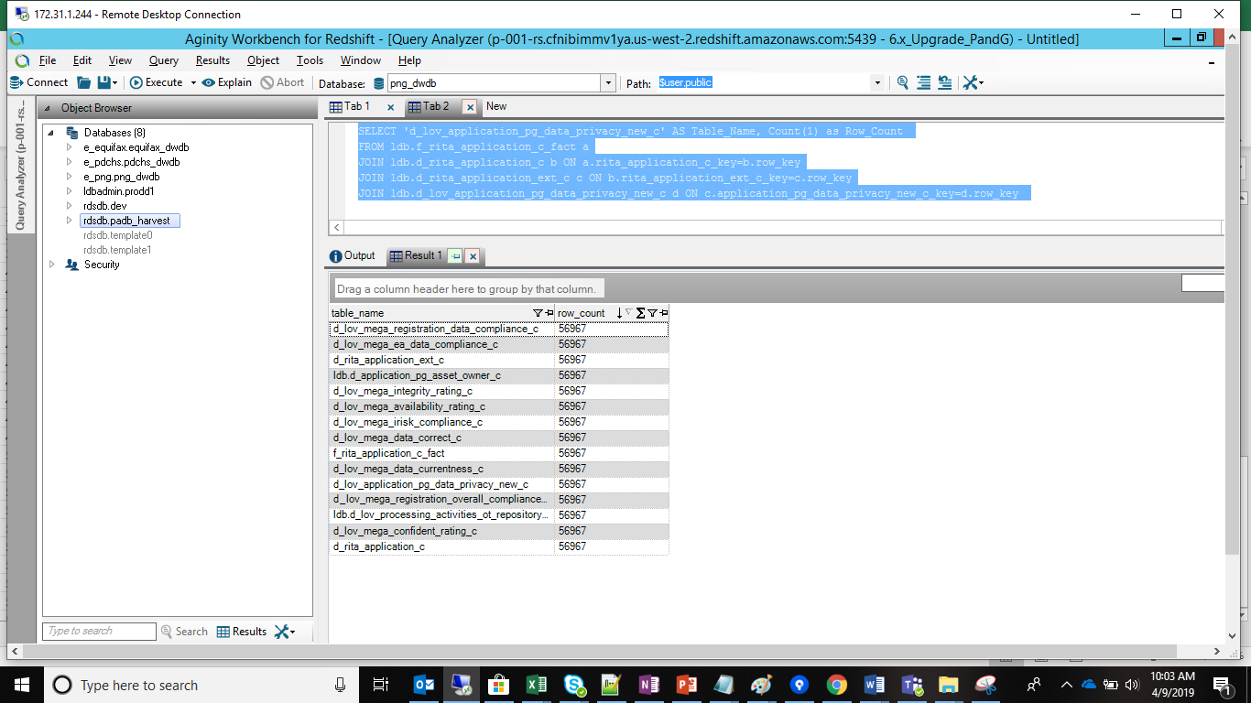
/* d_lov_mega_registration_overall_compliance_c done d_lov_mega_confident_rating_c done d_lov_mega_availability_rating_c done d_rita_application_c done d_rita_application_ext_c done d_lov_mega_registration_data_compliance_c done d_lov_processing_activities_ot_repository_type_c done d_lov_mega_data_correct_c done d_lov_mega_ea_data_compliance_c done d_application_pg_asset_owner_c done d_lov_mega_integrity_rating_c done d_lov_mega_irisk_compliance_c done f_rita_application_c_fact */ SELECT 'f_rita_application_c_fact' AS Table_Name, Count(1) as Row_Count FROM ldb.f_rita_application_c_fact a UNION SELECT 'd_rita_application_c' AS Table_Name, Count(1) as Row_Count FROM ldb.f_rita_application_c_fact a JOIN ldb.d_rita_application_c b ON a.rita_application_c_key=b.row_key UNION SELECT 'd_rita_application_ext_c' AS Table_Name, Count(1) as Row_Count FROM ldb.f_rita_application_c_fact a JOIN ldb.d_rita_application_c b ON a.rita_application_c_key=b.row_key JOIN ldb.d_rita_application_ext_c c ON b.rita_application_ext_c_key=c.row_key UNION SELECT 'd_lov_mega_data_correct_c' AS Table_Name, Count(1) as Row_Count FROM ldb.f_rita_application_c_fact a JOIN ldb.d_rita_application_c b ON a.rita_application_c_key=b.row_key JOIN ldb.d_rita_application_ext_c c ON b.rita_application_ext_c_key=c.row_key JOIN ldb.d_lov_mega_data_correct_c d ON c.data_correct_c_key=d.row_key UNION SELECT 'd_lov_mega_irisk_compliance_c' AS Table_Name, Count(1) as Row_Count FROM ldb.f_rita_application_c_fact a JOIN ldb.d_rita_application_c b ON a.rita_application_c_key=b.row_key JOIN ldb.d_rita_application_ext_c c ON b.rita_application_ext_c_key=c.row_key JOIN ldb.d_lov_mega_irisk_compliance_c d ON c.irisk_compliance_c_key=d.row_key UNION SELECT 'd_lov_mega_integrity_rating_c' AS Table_Name, Count(1) as Row_Count FROM ldb.f_rita_application_c_fact a JOIN ldb.d_rita_application_c b ON a.rita_application_c_key=b.row_key JOIN ldb.d_lov_mega_integ

 | MSTR Metric Validation

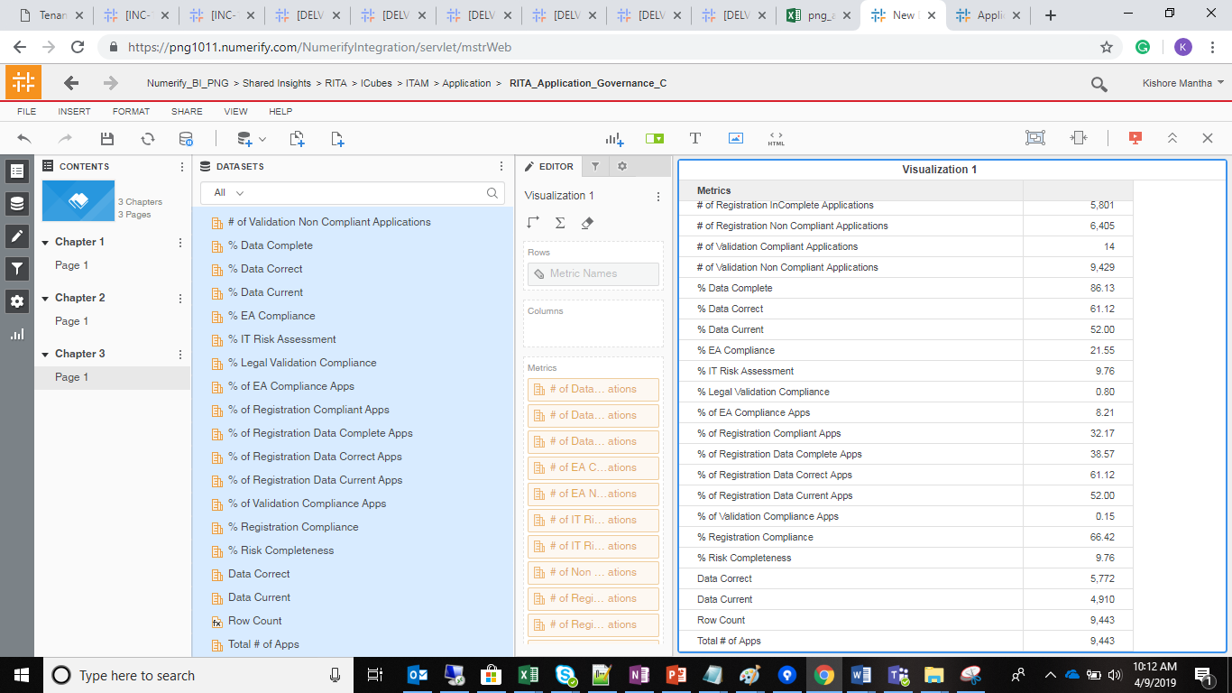

 | VI Validation

